Help and Examples
All rights to this document belong to Varefakta, and the document may not be copied, reproduced, passed on and / or used without prior written permission from Varefakta. (version 23.1).

 | Help and examples - Fill in the packaging information correctly | Get back

 | To ensure that this form is filled in as correctly as possible, here are explanations and examples that describe how the sheets should be filled in - See examples by holding the cursor over the box with description.

 | 1. Fill in information about packaging parts The first part of the packaging sheets (both primary and secondary) is about filling in information about the product's packaging parts, i.e. the packaging part(s) used to package the product, e.g. a tube with a lid and label wrapped in film (see cut-out from the arrow for how this should be completed). It is very important that a packaging part is selected from the drop-down menu in the "State packaging part" column. A packaging part must be selected before it is possible to enter which materials the packaging is made of under packaging composition

 | 2. Fill in information about composition of packaging parts For each packaging part that is entered, a table appears under "Packaging composition", where it is possible to enter what the individual packaging parts consist of. It must be stated here which materials are used, whether it is a recycled material and what proportion of the packaging the material makes up. In addition, the raw material (biological or crude oil) must also be specified for plastic and the color must be specified for plastic and glass. When specifying the proportion of the materials entered in the packaging, it is important to note that the total entries must add up to 100%. When they do, you will see that the "Total" field is colored green instead of red. If a packaging part consists of the same type of material, but where some of the material is recycled and some is not, then this must be indicated as seen in the example from the arrow. Here the lid consists of PET and rPET - this is entered by specifying PET twice and stating that one is a recycled material - Then the distribution between the two materials is specified.

 | 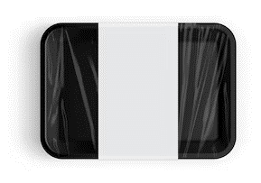 Example 1 - Plastic tray with film and label, e.g. for meat

 | Example 2 - Handheld spray with a label for e.g. cleaning agent

 | Example 3 - Cardboard box with plastic window for eg confectionery

 | Example 4 - Plastic bag for e.g. chips

 | Example 5 - Beverage carton with straw for e.g. juice

