Annex I
All rights to this document belong to Varefakta, and the document may not be copied, reproduced, passed on and / or used without prior written permission from Varefakta. (version 21.4)

 | Annex I
 | Testing methods | Content (Click to select sheet)
 |  | Start
 | All methods have been performed pursuant to the testing methods published by the Danish National Consumer Agency's in 'Råd og Resultater med Tekniske Meddelelser' (in Danish only) no . 8, 1972, no. 2, 1973 , and no. 3, 1973. The testing will be performed on the basis of 3 from which 3 units are tested at an independent laboratory appointed or recognised by Varefakta. With a deviation of more than 20%, two additional tests shall be performed. The average of these 5 tests shall constitute the final result. The testing is carried out in compliance with the directions of the regulation. | Product information
 |  | Additional product information
 |  | Instructions for use
 |  | Other labelling systems
 |  | Packaging
 |  | Annex I

 | Grease resistance of paper plates, serving platters and bowls- Para. 1
 | In plastic coated paper plates, cut approximately carefully 0.5 cm2 of the coating from the bottom of the plate. Place the plate on a piece of parchment paper and pour 1 dl of 180 °C hot salad oil into it. Oil must not be detected on the tracing paper after 10 minutes. Inspection tolerance: - ½ minute.

 | Dimensional stability and birm stifness for plates, serving platters, trays, bowls- Para. 2
 | 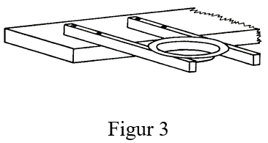 As illustrated in figure 3, the specimen is positioned and glass globes filled in (with a maximum of 2 kg) until the specimen drops through the support. The glass globes are weighed, and the specimens must comply with the following requirements: Soup plates, serving platters, trays and bowls: The glass globes must weigh more than the weight of the water at effective volume. Flat square plates: The glass globes must be above 400 g weight, as the weight of a portion of food is approx. 400 g. Insepction tolerance: - 20 g. The space between bearing supports must be of a distance which only barely allows the passage of the specimen between the supports Soup plates, serving platters/trays and bowls must, moreover, be tested for dimensional stability, using 100° C hot water. The plate is positioned as shown in figure 3 and then filled up with an amount of bo iling water equal to the effective volume. The plate must not fall through the support within the passage of 6 minutes. Insepction tolerance: - ½ minute.

Figure 3

 | Water resistance for soup plates of paperboard/paper Para. 3
 | In plastic coated paper plates, cut approximately carefully 0.5 cm2 of the coating from the bottom of the plate. On non-coated plates, remove the outermost protective paper layer of approx. 0.5 cm2 of the bottom of the plate. The plate is placed on a piece of absorbent paper, and 1 dl of boiling water colored with a water-soluble color is poured into it. The time that passes before seepage can be detected on the tracing paper must be over 8 minutes. Inspection tolerance: - ½ minute.

 | Breaking strength of beakers, cups and glasses Para. 4
 | 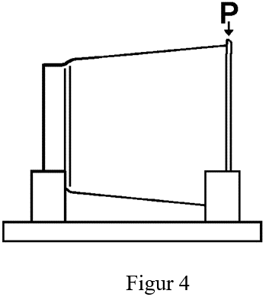 Breaking strength is measured as shown by Para. 4. The supports shall keep the beaker horizontal and prevent it from rolling. After positioning according to directions, the pressure force P is increased until breakage occurs or permanent deformation is observed. The pressure P which result in fracture or deformation must be above 22 N. Inspection tolerance: - 1 N

Figure 4

 | Overturn stability- Para. 5
 | 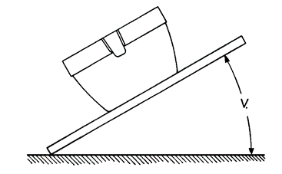 Beakers, cups or glasses are filled with water to the half of their effective volume and the specimen is positioned at a surface sloping at an angle, V = 25°, towards horizontal. Cups and beakers in cup holders shall be positioned in such a way that the ears are turned crosswise to the tipping-over direction. See figure 5. Beakers, cups or glasses must remain in a standing position.

Figure 5

 | Heat resistance for breakers and cups- Para. 6
 | Beakers, cups or glasses must be filled with an amount of boiling water equal to the effective volume and then lefl for 5 minutes. This test is repeated 3 times with intermediate periods of cooling off. If glass deformity occurs, then the testing is repeated with 70° C hot water. Slight deformation shall be accepted; albeit in the event that such deformations impede or prevent use, then the testing shall be deemed to have failed.

 | Alcohol resistance for glasses- Para. 7
 | The glass must be filled to ½ its maximum effective capacity with 60% alcohol and then lefl uncovered for 6 hours. After the passage of the 6 hours, no seepage, preventing the proper use of the glass, must have occurred.

 | Cultery strength- Para. 8
 | 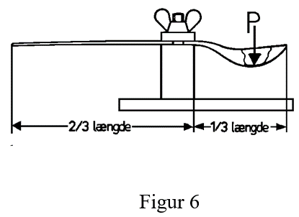 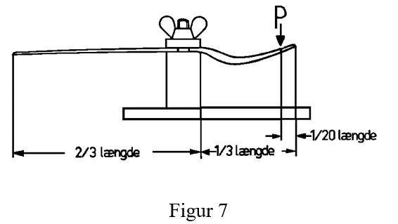 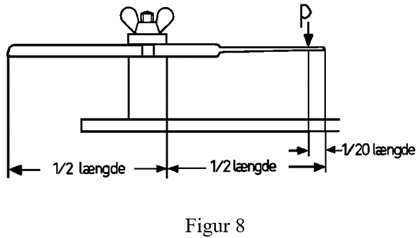 The rigifity of spoons is measured as shown in figure 6, of forks as shown in figure 7, and of knives as shown in figure 8. The load, P, is applied to the deepest point of the spoon. After clamping as indicated, the pressure P is increased until breakage or a permanent deformation is observed. The load P that acted at the moment of failure or deformation must comply with the following: For teaspoons: Load must be above 8 N For spoons and dessert spoons: Load must be over 15 N For knives and forks: The load must be over 22 N Inspection tolerance: - 1 N

Figure 6

Figure 7

Figure 8

 | Cultery stifness- Para. 9
 | The stiffness is assessed based on the deflection at a given load. The deflection is measured as under section 8 and is determined 30 seconds after the load has been increased to the values listed above. Spoons and teaspoons are measured as shown in figure 6 with the load P=5 N, the deflection must not exceed 12.5 mm. Teaspoons are measured as in figure 6 with the load P=3 N, the deflection must not exceed 8 mm. Knives are measured as shown in figure 8 with the load P=5 N, the deflection must not exceed 15 mm. Forks are measured as shown in figure 7 with the load P=5 N, the deflection must not exceed 11 mm. Inspection tolerance: - 2 mm. Testing of strength and stiffness can be carried out under a by first loading with the in point 9 specified load and determine the stiffness. The load is then increased until breakage or deformation occurs.

 | Heat resistance for spoons and teaspoons - Para. 10
 | 3 teaspoons are placed in one porcelain beaker and 3 spoons in 3 soup plates of porcelain. Then 90° C hot water is poured over the specimens that are then allowed to rest for 5 minutes. This test is repeated three times with intermediate periods of cooling off. Insignificant deformation will be accepted. But if such deformation will impede or prevent use, the test shall be deemed to have failed.

 | Temperature interval - Para. 11
 | Three tests shall be exposed to the highest and lowest temperatures stated for the declared temperature interval. On comparison with sirnilar new test specimens, there shall be no signs of discolouration, deformation, brittleness or cracks. In the event of changes to the specirnen, a new test at 5° C higher and/or lower temperatures, respectively, shall be carried out. Such testing shall be repeated until the temperature interval applicable has been found. " If the produet is supplied with a lid, this lid shall likewise be subjected to testing. The text "Withstands temperatures from xx °C to xx °C” shall be stated in Varefakta.

 | Temperature interval - Para. 11.1
 | The test specimen is filled with or emerged in water at the highest temperature stated. This temperature will be maintained within ± 2° C for 5 minutes. Where declared as "Withstands scalding" the test is performed by filling the specimen with or emerging it in boiling water which will then immediately be poured away; and, subsequently, the testing will be carried out at 95° C, using the method prescribed for other temperatures. This test is repeated three times with intermediate periods of cooling off.

 | Temperature interval - Para. 11.1.1
 | The declaration of foil trays shall presuppose compliance with the 180° C heat-resistance requirement. The oven is set at 180° C. The empty tray is placed in the oven where it remains for an hour after stable temperature has been reached. Where a specific temperature has been declared for the tray, and if this is above 180° C, then the oven shall beset at the temperature declared + 20 °C. Theabove procedure is repeated, but the tray must stay in the oven for two hours.

 | Temperature interval - Para. 11.2
 | Where feasible, the test specimen is filled with water and placed in a freezer at the lowest temperature declared for 24 hours. The specimen must not break after removal and emptying.

 | Previous

